Sheet2
 | Column4
 | 59925
 | 59359
 | 57850
 | 56554
 | 55101
 | 53690
 | 51671
 | 50089
 | 48415
 | 49157
 | 50219
 | 50022
 | 50926
 | 50838
 | 50984
 | 50714
 | 49659
 | 49599
 | 49315
 | 49159
 | 48457
 | 48753
 | 48849
 | 49026
 | 49064
 | 48688
 | 49514
 | 49530
 | 49563
 | 48746
 | 48827
 | 49782
 | 50286
 | 50857
 | 51141
 | 52288
 | 52868
 | 53040
 | 52762
 | 52139
 | 52623
 | 52178
 | 51725
 | 50887
 | 51505
 | 51552
 | 51676
 | 51617
 | 50709
 | 50809
...
Column4
59925
59359
57850
56554
55101
53690
51671
50089
48415
49157
50219
50022
50926
50838
50984
50714
49659
49599
49315
49159
48457
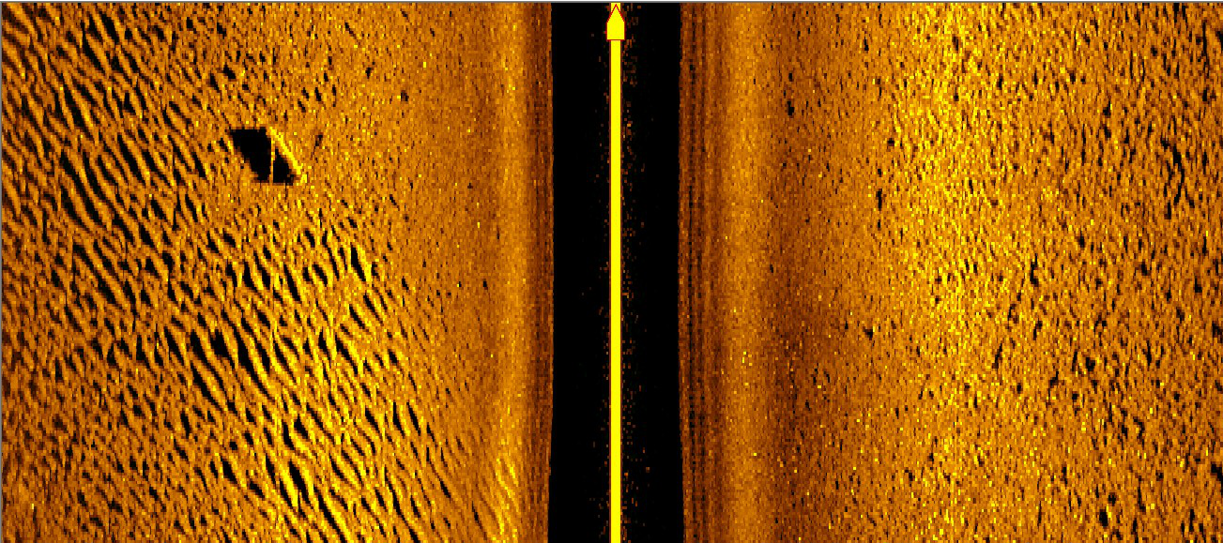
48753
48849
49026
49064
48688
49514
49530
49563
48746
48827
49782
50286
50857
51141
52288
52868
53040
52762
52139
52623
52178
51725
50887
51505
51552
51676
51617
50709
50809
50568
50292
49593
49596
49920
49931
50404
50070
50783
50594
50576
50446
49230
49312
49003
49039
49068
50423
50953
51389
51511
50661
50383
49830
49463
48775
48853
49941
50401
50474
49610
50039
49745
49687
50104
49805
50512
50684
50601
49929
50502
50427
50117
49636
49040
49910
50162
50501
50261
50195
50839
51130
51454
50963
51970
52255
52606
53159
52639
53128
52977
52400
51410
51737
51633
51712
51421
50735
51314
51309
51281
50706
50966
52294
52967
52973
52593
53543
53566
53629
53466
52690
53243
53106
53151
52798
54010
54392
54681
54825
54619
55512
55487
55632
54738
54614
55361
55567
55839
55313
55981
56001
55898
56316
55785
56567
56644
56613
55824
56584
57068
57631
58504
58581
59528
59739
60214
60885
60266
61045
60847
61003
60866
61777
62028
61850
61623
60621
60805
60651
60638
60164
60154
60838
60579
60931
60759
62048
62698
62956
62991
62665
63678
64113
64445
64071
64922
64470
64182
63751
62689
63146
62784
62334
61494
61560
62082
61715
61352
60082
60829
61090
61846
62793
63077
64391
64733
65269
65297
66102
66216
66443
66475
65744
66463
66482
66452
66072
66163
66836
66704
66564
65933
66247
65909
65615
65358
64633
65388
65534
65258
64158
64576
64852
65174
65808
65912
67342
68370
69146
68701
68009
67641
66816
65908
64958
64877
64268
63851
63713
63057
63477
63199
62977
62441
63383
63673
64379
64941
65004
66282
66718
66932
66416
65934
65981
65281
65236
64736
65404
66183
67087
67602
67341
68304
69164
70688
71526
73121
74162
75511
76595
76784
77797
77797
77009
75226
74385
74816
74619
74636
74268
75100
75485
75880
75806
75444
76352
76008
76133
75720
76450
76917
77434
77552
77111
77710
77782
77492
76557
76493
77040
77167
77555
77707
79374
79792
79612
79588
78936
79643
79956
80116
79857
80604
80864
80917
80892
80173
80387
80323
80544
80717
80279
80958
81272
81555
81209
82115
82184
82043
82060
81746
82483
82642
82322
81498
81050
81207
80926
80894
80564
81439
81801
82218
82425
82171
82880
82729
82391
81719
82157
82308
82602
83405
82874
83226
82794
82445
81454
81036
81472
81655
82067
82158
83203
83623
83758
83531
82504
82378
81895
81667
80769
80883
80937
81344
81632
81196
81569
81647
81816
80965
80805
81231
81156
81228
80755
81108
81179
81039
80713
80041
80157
79627
79131
78325
78851
78978
79113
79195
78576
78945
79018
78908
78600
78694
78949
78771
78673
77948
78104
77777
77355
76962
76304
76360
76008
75647
74777
74777
74683
74617
74558
74115
74578
74329
74165
73636
73424
73623
73476
73425
73111
73326
72958
72702
72562
71996
72190
71925
71795
71283
71389
71154
71026
70910
70364
70135
69643
69403
68790
68425
68428
68025
67685
67092
67245
67170
67018
66761
66257
66511
66479
66459
65909
66245
66280
66140
65908
65456
65617
65488
65194
64862
64243
64104
63697
63283
62704
62593
62145
61628
61097
60405
60180
59722
59322
58790
58493
58589
58500
58496
58335
58773
59049
59380
59709
59854
60548
61026
61748
62226
63304
64245
65202
66275
67020
68413
69590
70686
71483
72596
73683
74585
75589
75958
76585
77093
77540
77972
77796
78002
77893
77529
77028
76919
76342
75655
74727
73656
72735
71304
69710
68020
66215
64533
62435
60060
57728
55372
53167
51046
49240
47399
45793
44188
42656
41133
40403
39501
38580
37809
37003
36819
36466
36374
36249
36434
36959
36787
35797
34123
31151
27951
25278
21438
16598
9537
2085
1298
728
188
112
108
105
103
102
109
108
108
108
108
108
108
108
108
108
108
108
108
108
108
108
108
111
112
112
116
120
122
120
120
121
122
135
146
157
168
199
235
249
263
298
374
453
496
591
756
957
1190
1522
1837
2381
3275
5114
9680
19983
37109
41735
120338
126953
127363
127375
127385
127386
127381
127371
127078
121833
42936
36659
29941
20260
12954
8420
6028
4508
3711
2973
2594
2253
1945
1733
1548
1322
1171
1050
957
811
774
696
618
541
475
428
359
250
201
162
146
138
133
128
121
116
112
108
108
108
108
108
108
108
108
108
108
108
108
108
108
108
108
108
108
110
113
143
163
220
1209
3704
11415
18207
23033
26141
28732
31376
32563
33157
33585
33480
33635
34152
34236
33929
33194
32870
31797
30759
30219
30077
30903
31916
33439
34696
36283
37512
38384
39135
39719
40853
41523
42007
42128
42489
42807
42970
42987
42452
42442
42345
42357
42444
42451
43118
43940
45018
46166
47785
49378
51123
53004
54515
56128
57742
59275
60372
61665
62906
64015
65176
66080
67278
68244
68966
69577
69725
70245
70537
70817
70645
70880
70819
70790
70547
69842
69699
69158
68572
67759
67104
66697
65868
65062
63996
63392
62462
61715
60926
59844
59214
58298
57446
56355
55890
55056
54239
53314
52160
51503
50456
49499
48695
47713
47395
46670
46065
45277
45048
44617
44195
43817
43235
43242
43028
42880
42423
42224
42514
42449
42495
42270
42773
43057
43463
43768
43652
44213
44562
45045
45166
45709
46071
46446
46826
46926
47573
48005
48252
48114
48348
48953
49294
49655
49814
50608
51129
51463
51752
51656
52205
52389
52770
53004
53833
54383
54862
55317
55296
56019
56320
56775
56939
57402
58166
58461
58826
58672
59227
59524
59938
60349
60401
61076
61518
61831
61816
62621
63173
63593
64181
64448
65371
65826
66220
66063
66325
67044
67520
67802
67694
68235
68377
68511
68770
68440
68865
68979
69015
68741
69193
69648
70118
70501
70479
71308
71602
71579
71037
70993
71673
72010
72493
72665
73525
74092
74364
74267
73882
74471
74614
74862
74775
75456
75789
76038
76311
75995
76447
76518
76718
76449
76771
77431
77624
78133
78464
79579
80244
80666
80938
80507
80916
81101
81307
81108
81736
81881
82169
82656
82278
82657
82587
82640
82920
82713
83469
83893
83986
83717
84428
84526
84676
84982
84584
85391
85922
86207
85761
85749
86177
86296
86504
86107
86726
86937
86985
87115
86949
87728
87900
88102
87672
88685
89440
89846
89534
88782
89188
89181
88871
88215
88247
88967
88951
88704
87876
88217
87923
87190
86602
86002
86543
86510
86504
86104
86726
86381
85709
85159
84291
84689
84267
84250
83763
83944
84777
84841
84759
83911
84207
84022
83921
83724
83150
83587
83393
83368
82795
83338
83420
83264
83094
82251
82421
82036
81662
80434
79848
80695
81175
81666
81412
82541
82651
82505
82339
81864
82542
82394
82117
81624
82008
81786
80884
80069
78985
79401
79159
79205
78742
78808
79485
79723
80153
79976
80830
81075
81378
81580
81090
81249
80594
79912
78846
79117
78873
78501
77999
76959
77028
76651
76604
75885
75764
76404
76631
76885
76464
76899
76918
76833
76688
75936
76434
76231
75614
74616
74965
75182
75204
74939
74044
74086
73529
73343
72650
72712
73104
72980
73065
72716
73467
73627
73721
73383
72598
72964
72807
72983
72372
72871
72817
72845
72631
71758
71867
71235
71086
71190
71078
71847
72059
72541
71986
72313
72108
71853
71627
70738
70992
70851
70734
70174
69878
70032
69351
68667
67375
67429
67039
67163
67126
66427
67128
67086
67375
67159
68325
68489
68461
68497
68072
68411
68252
67979
67075
66816
67483
67674
67453
66515
66805
66412
66294
66607
66348
67228
67646
67942
67685
68321
67974
67440
67246
66663
67050
66539
66021
64785
64321
64760
64319
64172
63342
63875
63835
64320
64857
64875
65822
66013
66303
65709
66172
66092
66178
66256
65359
65582
65134
64455
63551
62975
62861
62222
61812
60918
61489
61780
61761
61190
60200
60507
60202
60412
59995
60584
60416
60451
60721
60134
60651
60417
60320
59513
59918
60657
60812
61393
60943
61865
61860
61767
61805
61096
61552
61536
61369
60456
60647
60150
59732
59585
59112
59469
59170
59155
58546
58756
59466
59634
59695
59277
59731
59392
59122
58961
58382
59081
59237
59135
57777
57531
56960
55979
55327
54801
54861
54482
54368
54318
53917
53809

